问题
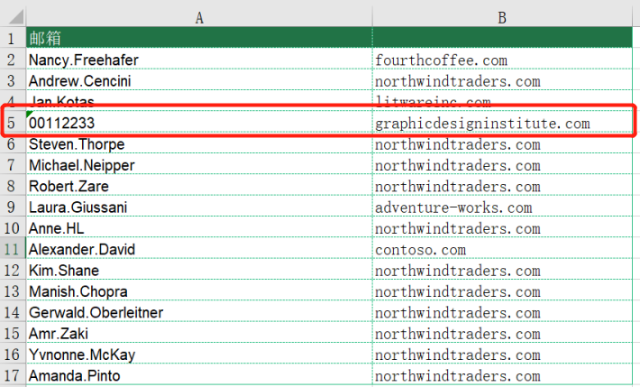
 |  | 课后小练习

任务：
 | 利用分列工具分离“练习表”中邮箱的用户名和域名，完成效果见下图。（注意邮箱用户名有纯数字用户名）

